ThingPlus
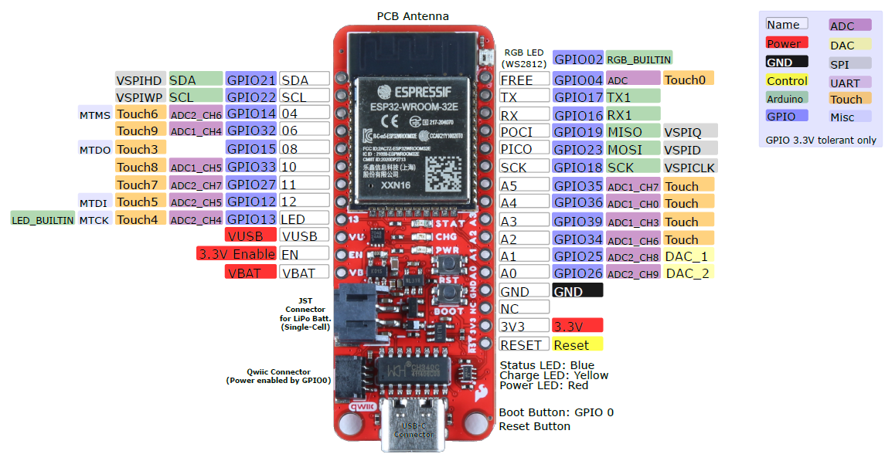
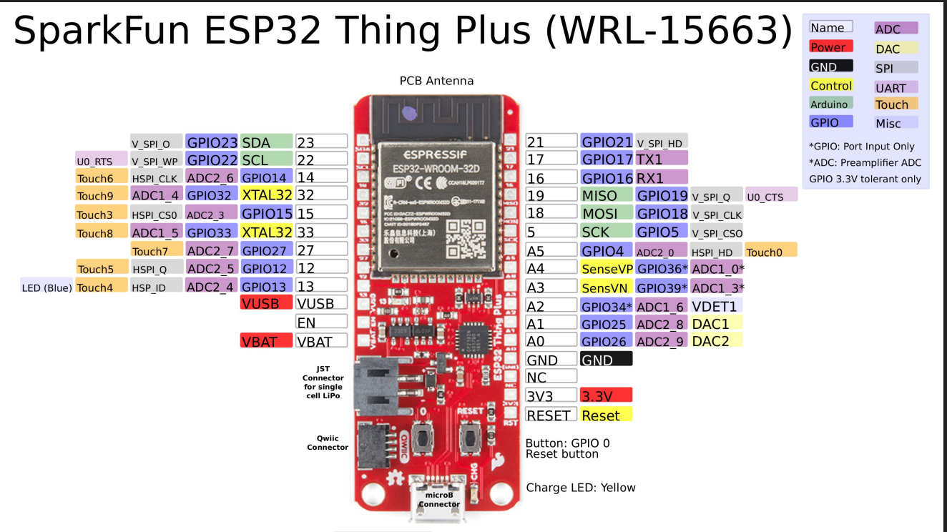

4_D pins
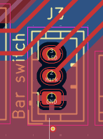
Board |  | Receptacle | Plug
LED | red | 1 | 1 | yel | Red | LED+
Mark | black | 2 | 2 | black | Yellow | Sw1
Ground | yellow | 3 | 3 | red | Black | Sw2
 |  |  |  |  | Green | LED-

Stripboard
 |  |  |  |  |  |  |  |  |  | Wiper
 |  |  |  | x | 1 | 8 | x |  |  | 3.3v
 |  |  |  | x | 2 | 7 | x |  |  | GND
 |  |  |  | x | 3 | 6 | x
 |  |  |  | x | 4 | 5 | x |  |  | Wiper
 |  |  |  |  |  |  |  |  |  | 3.3v
 |  |  |  |  |  |  |  |  |  | GND

 |  | CS (Sd) |  |  |  |  |  | x |  | CS (GPIO16)
 |  | SCK |  |  |  |  |  | x |  | SCK |  | yellow | cs
 |  | MOSI |  |  |  |  |  | x |  | MOSI |  | white | sck
 |  | MISO |  |  |  |  |  | x |  | MISO |  | orange | miso
 |  | 3V3 |  |  |  |  |  | x |  | 3V3 |  | green | mosi
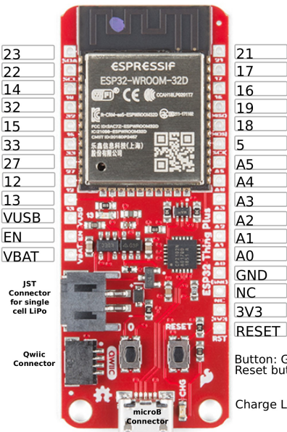
 |  | GND |  |  |  |  |  | x |  | GND

SPI MOSI | 23 |  |  |  |  |  |  |  |  |  |  |  |  | 21 | OLED SDA
OLED SCL | 22 | GND |  |  |  |  |  |  |  |  |  |  |  | 17 | CS - device
Mark | 14 | MARK |  |  |  |  |  |  |  | CS (GPIO16) |  |  |  | 16 | CS - device
 | 32 |  |  |  |  |  |  |  |  | SCK |  |  |  | 19 | SPI MISO
Nav | 15 | NAV |  |  |  |  |  |  |  | MOSI |  |  |  | 18 | SPI SCK
Nav | 33 | NAV |  |  |  |  |  |  |  | MISO |  |  |  | 5 | SPI CS - Sd
(web) (Nav) | 27 | NAV |  |  |  |  |  |  |  | 3V3 |  |  |  | GPIO4 | (log)
Nav | 17 | NAV |  |  |  |  |  |  |  | GND |  |  |  | A4
Nav | 13 | NAV | - |  |  |  |  |  |  |  |  |  |  | GPIO39 | Pot 2
 | VUSB | GND |  |  |  |  |  |  |  |  |  |  |  | GPIO34 | Pot 1
 | EN |  |  |  |  |  |  |  |  |  |  |  |  | GPIO25 | CS - device
 | VBAT | EN |  |  |  |  |  |  |  |  | sda |  |  | GPIO26 | CS - device
 |  | GND |  |  |  |  |  |  |  |  | gnd |  |  | GND
 |  |  |  |  |  |  |  |  |  |  | scl |  |  | NC
 |  |  |  |  |  |  |  |  |  |  | 3v3 |  |  | 3V3
 |  |  |  |  |  |  |  |  | x |  |  |  |  | RST

